05_工程模板
win32
 | 引用： |  |  |  | lua_library_manual.h | lua_library_manual.cpp
 |  | $(EngineRoot)..\GxLibrary |  |  | #ifndef __LIBRARY_LUA_LIBRARY_MANUAL__ | #include "lua_library_manual.h"
 |  | $(EngineRoot)..\pbc |  |  | #define __LIBRARY_LUA_LIBRARY_MANUAL__ | #include "extension/cjson/lua_cjson.h"
 | 宏： |  |  |  |  | #include "extension/md5/lua_md5.h"
 |  | ENABLE_CJSON_GLOBAL |  |  | #ifdef __cplusplus | #include "extension/random/lua_seedrandom.h"
 | 生成事件： |  |  |  | extern "C" { | #include "utils/Utils.h"
 |  | if not exist "$(LocalDebuggerWorkingDirectory)" mkdir "$(LocalDebuggerWorkingDirectory)" |  |  | #endif
 |  | xcopy /Y /Q "$(OutDir)*.dll" "$(LocalDebuggerWorkingDirectory)" |  |  | #include "tolua++.h" | static luaL_Reg luax_gx_library_regs[] = {
 |  | xcopy "$(ProjectDir)..\..\..\res" "$(LocalDebuggerWorkingDirectory)\res" /D /E /I /F /Y |  |  |  |  | { "cjson", luaopen_cjson },
 |  | rd /s/q "$(LocalDebuggerWorkingDirectory)\src\gxframework" |  |  | #ifdef __cplusplus |  | { NULL, NULL }
 |  | xcopy "$(ProjectDir)..\..\..\src" "$(LocalDebuggerWorkingDirectory)\src" /D /E /I /F /Y |  |  | } | };
 |  |  |  |  | #endif
 | 添加lua方法注册入口:
 |  | lua_library_manual.h |  |  | #include "lua.h" | int lua_library_register(lua_State * L)
 |  | lua_library_manual.cpp |  |  | #include "lauxlib.h" | {
 |  |  |  |  | #include "scripting/lua-bindings/manual/Lua-BindingsExport.h" |  | // load extensions
 |  |  |  |  |  |  | luaL_Reg* lib = luax_gx_library_regs;
 | 1.cjson |  |  |  | int lua_library_register(lua_State* L); |  | lua_getglobal(L, "package");
 |  | 参照项目结构,添加cjson文件(extension) |  |  |  |  | lua_getfield(L, -1, "preload");
 |  | 在注册入口中调用 cjson注册方法 |  |  | #endif // __LIBRARY_LUA_LIBRARY_MANUAL__ |  | for (; lib->func; lib++)
 |  |  |  |  |  |  | {
 | 2.md5 |  |  |  |  |  |  | lua_pushcfunction(L, lib->func);
 |  | 参照项目结构,添加md5文件(extension) |  |  |  |  |  | lua_setfield(L, -2, lib->name);
 |  | 在注册入口中调用md5注册方法 |  |  |  |  | }
 | 3.random |  |  |  |  |  | lua_pop(L, 2);
 |  | 同上
 |  |  |  |  |  |  | luaopen_seedrandom(L);
 | 结构图 |  |  |  |  |  | register_md5_module(L);
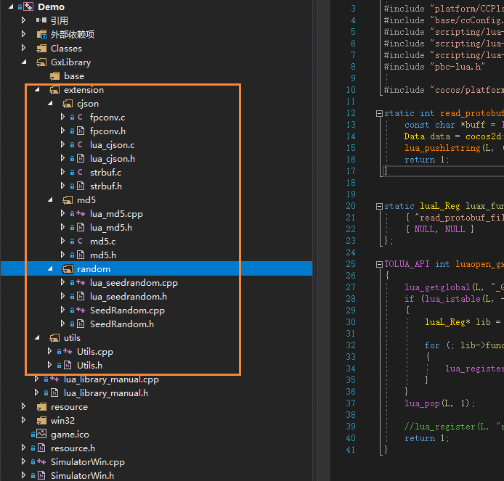
 |  |  |  |  |  |  | luaopen_gx_utils(L);

 |  |  |  |  |  |  | return 1;
 |  |  |  |  |  | }

android

 | 添加Gxlibrary的编译android.mk
 |  | LOCAL_PATH := $(call my-dir)

 |  | include $(CLEAR_VARS)

 |  | LOCAL_MODULE := gxlibrary_static

 |  | LOCAL_MODULE_FILENAME := libgxlibrary

 |  | LOCAL_ARM_MODE := arm

 |  | LOCAL_SRC_FILES := \

 |  | #base

 |  | #extension
 |  | #cjson
 |  | LOCAL_CFLAGS | += -DENABLE_CJSON_GLOBAL
 |  | LOCAL_SRC_FILES += ../../extension/cjson/fpconv.c \
 |  |  |  | ../../extension/cjson/lua_cjson.c \
 |  |  |  | ../../extension/cjson/strbuf.c

 |  | #md5
 |  | LOCAL_CFLAGS | += -DHAVE_OPENSSL
 |  | LOCAL_SRC_FILES += ../../extension/md5/md5.c \
 |  |  |  | ../../extension/md5/lua_md5.cpp

 |  | #random
 |  | LOCAL_SRC_FILES += ../../extension/random/SeedRandom.cpp \
 |  |  |  | ../../extension/random/lua_seedrandom.cpp

 |  | #utils
 |  | LOCAL_SRC_FILES += ../../utils/Utils.cpp

 |  | LOCAL_SRC_FILES += ../../lua_library_manual.cpp

 |  | LOCAL_C_INCLUDES := $(LOCAL_PATH)/../.. \
 |  |  |  | += $(LOCAL_PATH)/../../../cocos2d-x \
 |  |  |  | += $(LOCAL_PATH)/../../../cocos2d-x/cocos \
 |  |  |  | += $(LOCAL_PATH)/../../../cocos2d-x/external \
 |  |  |  | += $(LOCAL_PATH)/../../../cocos2d-x/external/lua \
 |  |  |  | += $(LOCAL_PATH)/../../../cocos2d-x/external/lua/lua \
 |  |  |  | += $(LOCAL_PATH)/../../../cocos2d-x/external/lua/tolua \
 |  |  |  | += $(LOCAL_PATH)/../../../cocos2d-x/external/lua/luajit/include \
 |  |  |  | += $(LOCAL_PATH)/../../../cocos2d-x/extensions \
 |  |  |  | += $(LOCAL_PATH)/../../../pbc \

 |  | LOCAL_STATIC_LIBRARIES := cocos2d_lua_static

 |  | include $(BUILD_STATIC_LIBRARY)

 |  | $(call import-module, cocos/scripting/lua-bindings/proj.android)

mac:
 | ……

05_cjson(lua)
win32

 | libluacocos2d工程中添加cjson引用
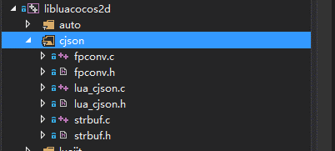

 | libluacocos2d工程中导出lua方法
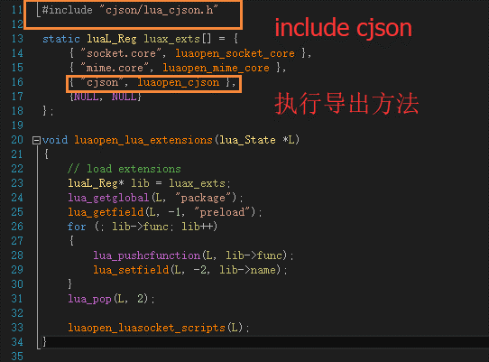

 | 添加导出全局module宏：ENABLE_CJSON_GLOBAL
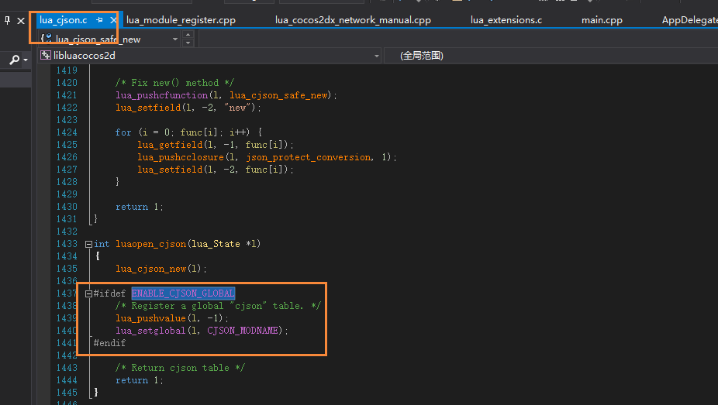

android
 | 修改lua-bindings工程下的android.mk文件，添加cjson c文件编译信息,添加ENABLE_CJSON_GLOBAL宏定义

 | E:\03_GxGit\GxFramework\cocos\scripting\lua-bindings\proj.android
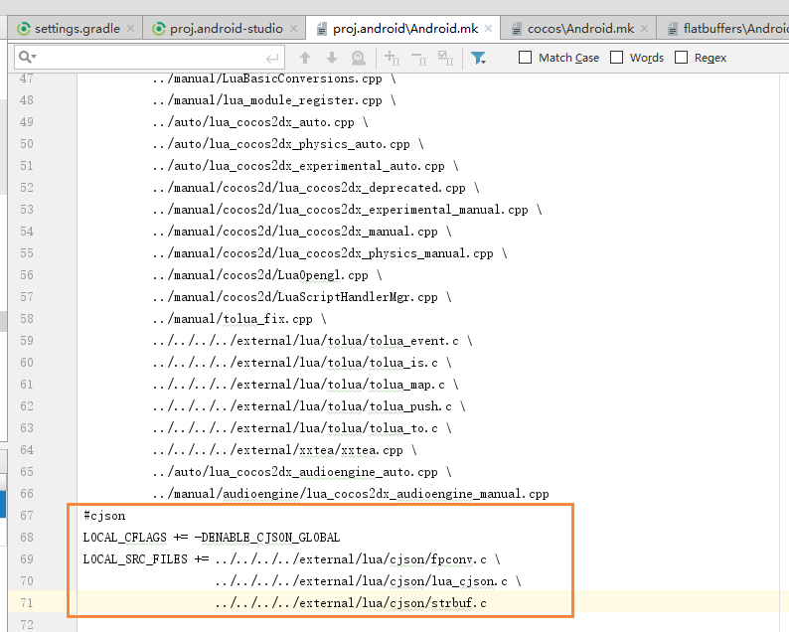

mac
 | 同win32,添加cjson引用

参考网址：https://www.cnblogs.com/zhangdw/p/6824350.html

05_MD5（lua）
集成quick-lua中的md5库

win32
 | libluacocos2d工程中添加md5引用
 | 编写MD5注册到lua的方法
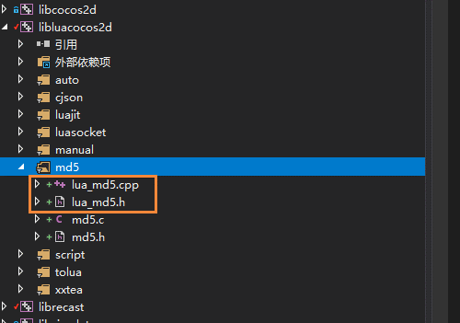

 | 在lua_module_register中注册lua_md5方法

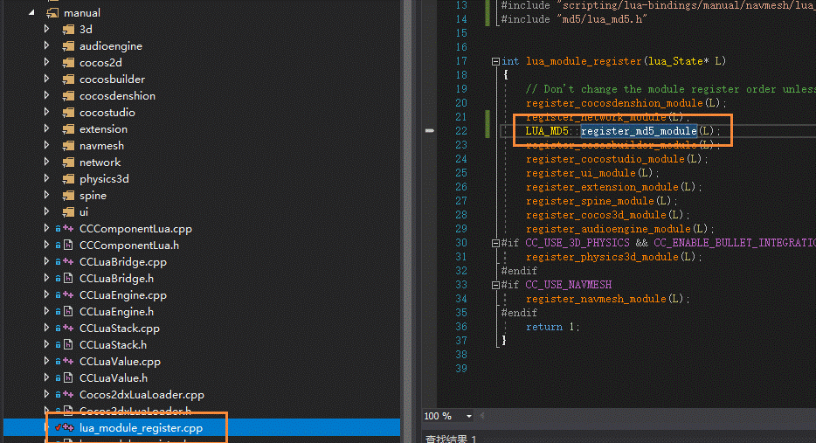

android

 | 修改lua-bindings工程下的android.mk文件，添加lua_md5.c文件编译信息,添加HAVE_OPENSSL宏定义

 | E:\03_GxGit\GxFramework\cocos\scripting\lua-bindings\proj.android
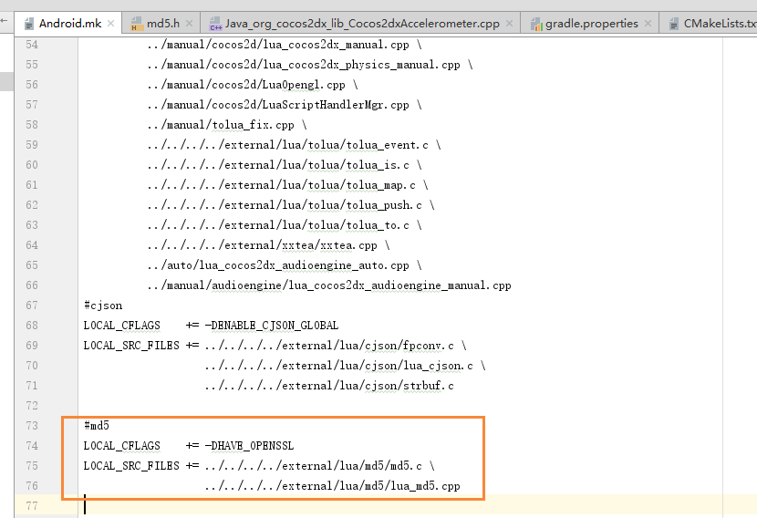

mac

 | 同win32,添加md5引用

05_pbc-lua
参考： |  | https://blog.csdn.net/ganpengjin1/article/details/50964961 |  |  |  | pbc-lua.h |  | lua_cocos2dx_pbc_manual.h | lua_cocos2dx_pbc_manual.cpp
 |  | https://www.cnblogs.com/chevin/p/6001872.html |  |  |  | #ifndef PBC_LUA_H |  | #ifndef __LUA_LuaUserGlobalMethod_H_ | #include "lua_cocos2dx_pbc_manual.h"
pbc-lua:https://github.com/cloudwu/pbc |  |  |  |  |  | #define PBC_LUA_H |  | #define __LUA_LuaUserGlobalMethod_H_
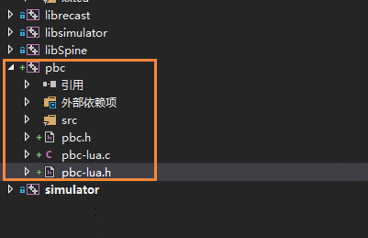
 |  |  |  |  |  | // |  |  | #include "platform/CCPlatformConfig.h"
win32: |  |  |  |  |  |  |  | #ifdef __cplusplus | #include "base/ccConfig.h"
 |  |  |  |  |  | // pbc-lua.h |  | extern "C" { | #include "scripting/lua-bindings/manual/tolua_fix.h"
 | pbc工程： |  |  |  |  |  |  | #endif | #include "scripting/lua-bindings/manual/LuaBasicConversions.h"
 |  | 添加下载的pbc lua工程 |  |  |  | // pbc |  | #include "tolua++.h" | #include "scripting/lua-bindings/manual/CCLuaEngine.h"
 |  | 添加Lua注册头文件pbc-lua.h |  |  |  |  |  | #ifdef __cplusplus | #include "external/pbc-master/pbc-lua.h"
 |  | 添加Lua包含目录（..\lua\lua） | (图1) |  |  | // |  | }
 |  |  |  |  |  |  |  | #endif | #include "cocos/platform/CCFileUtils.h"
 | libluacocos2d工程： |  |  |  |  | // Created by ArcherPeng on 15/7/21.
 | 添加pbc工程引用 |  |  |  |  |  |  | TOLUA_API int register_pbc_module(lua_State* L); | int read_protobuf_file(lua_State *L) {
 | 编写lua导出方法（图2） |  |  |  |  | // Copyright (c) 2015年 ztgame. All rights reserved. |  |  |  | const char *buff = luaL_checkstring(L, -1);
 | 在lua_module_register.cpp中注册lua方法(图3) |  |  |  |  |  |  | #endif // __LUA_LuaUserGlobalMethod_H_ |  | Data data = cocos2d::FileUtils::getInstance()->getDataFromFile(buff);
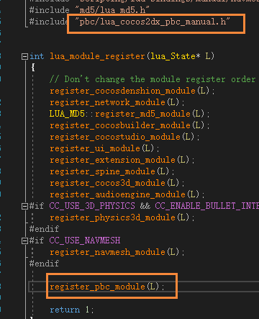
 |  |  |  |  |  | // |  |  |  | lua_pushlstring(L, (const char*)data.getBytes(), data.getSize());
 |  |  |  |  |  |  |  |  |  | return 1;
 |  |  |  |  |  |  |  |  | }
 |  |  |  |  | 图1
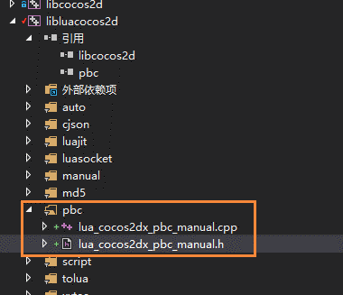
 |  |  |  |  |  |  |  |  | TOLUA_API int register_pbc_module(lua_State* L)
 |  |  |  |  |  | #if defined(_USRDLL) |  |  | {
 |  |  |  |  |  |  |  |  |  | //luaopen_protobuf_c(L);
 |  |  |  |  |  | #define LUA_EXTENSIONS_DLL __declspec(dllexport) |  |  |  | lua_getglobal(L, "_G");
 |  |  |  |  |  |  |  |  |  | if (lua_istable(L, -1))//stack:...,_G,
 |  |  |  |  |  | #else /* use a DLL library */ |  |  |  | {
 |  |  |  |  |  |  |  |  |  |  | lua_register(L, "read_protobuf_file_c", read_protobuf_file);
 |  |  |  |  |  | #define LUA_EXTENSIONS_DLL |  |  |  |  | luaopen_protobuf_c(L);
 |  |  |  |  |  |  |  |  |  | }
 |  |  |  |  |  | #endif |  |  |  | lua_pop(L, 1);

 |  |  |  |  |  |  |  |  |  | //lua_register(L, "read_protobuf_file_c", read_protobuf_file);
 |  |  |  |  |  |  |  |  |  | return 1;
 |  |  |  |  |  | #if __cplusplus |  |  | }

 |  |  |  |  |  | extern "C" {

 |  |  |  |  |  | #endif
 |  |  |  |  |  | //#include "lauxlib.h"

 |  |  |  |  | 图2

 |  |  |  |  |  |  | int LUA_EXTENSIONS_DLL luaopen_protobuf_c(lua_State *L);
 | 图3

android:
 |  |  |  |  |  | #if __cplusplus
 | 编写pbc工程 android.mk文件
 | 在引擎mk文件中，导入添加的pbc模块 |  |  | E:\02_GxGame\GxFramework\cocos\Android.mk |  | }
 | 在lua-binding模块中，添加pbc_static引用
 |  |  |  |  |  | #endif

 |  |  |  |  |  | #endif/* pbc_pbc_lua_h */
 |  |  |  | E:\02_GxGame\GxFramework\cocos\scripting\lua-bindings\proj.android\Android.mk

mac:
 | ….

